Email Template
 | Test Case Name :- Advaita-Email Template-Functional Test Case
 | Requirement Number :-ADV-US-01
 | Module Name :- Advaita-Email Template
 | Pre-Condition :- The user should be Logged In into the application with valid credentials. |  |  | Template varible Name placeholder
 | Created By :- James paul R
 | Reviewer: Nayagam
 | Test Case Type :- Functional Test Case.
 | Brief Description :- Writing Test Case for Advaita-User Setup-User Management-Functional Test Case for User Creation.
 | Date:-17-07-2024
SLNO | Scenario | Test Case | Preconditions | Steps | Inputs | Expected Result | Actual Result | Status | Tester-Comments | Developer-Comments | API URL
 | Navigation | Validate Navigating to Email Template page | User should be Logged in with SuperAdmin Credentials. | From Home Page click on Alchemy Menu. Scroll down and click on Email Template |  | It has to land to Email Template Page | It Landed on Email Template Page | Pass
 | WebElements | Validate Process,sub process sub sub process dropdowns,stage. | User should be in Email Template Page | Click On Create Button. Verify the dropdown is displayed and Enabled. verify if the default selected option is as per requirement. Verify multiple Options can't be selected. Verify the dropdown is not empty. Verify the dropdown contains the expected options. |  | It should be Displayed and Enabled. It should be as per requirement. Multiple options can't be selected. Dropdown should not be empty. Dropdown should contain the expected Options. | It was Displayed and Enabled. It was as per requirement. Multiple options can't be selected. Dropdown was not be empty. Dropdown contained the expected Options | Pass
 |  | Validate "To" Dropdown in Email Template | User should be in Email Template Create Page | Fill in process,sub process,sub sub process, stages<Refer Test Data>. Click on To Dropdown and Validate | Process:Capture Sub Process: CAPTURE LEADS Sub Sub Process: Advaith Capture Stage: Email | All the fields options of the stages should be Listed. | All the fields options of the stages were Listed. | Pass
 |  | Validate "From Email" Input Field Invalidly | User should be in Email Template Create Page | Enter invalid email ID's and validate the error messages | Invalid Emails: user@domain user@domain. user@domain..com user@domain_com user@domain#123.com user@domain.com@somewhere user.domain.com user@domain..com user@-domain.com user@domain-.com | Entering an invalid email id's the system should throw an error message to enter valid email id. | Entering an invalid email id's the system throwed an error message to enter valid email id. | Pass
 |  | Validate "CC and BCC Email" Input Field Invalidly | User should be in Email Template Create Page | Enter invalid email ID's and validate the error messages | Invalid Emails: user@domain user@domain. user@domain..com user@domain_com user@domain#123.com user@domain.com@somewhere user.domain.com user@domain..com user@-domain.com user@domain-.com | Entering an invalid email id's the system should throw an error message to enter valid email id. | Entering an invalid email id's the system didn't throw any validation error message to enter valid email id. | Fail
 |  | Validate all the input fields with unicode characters | User should be in Email Template Create Page | Enter Unicode character across all the input fields. Fill in all the mandatory fields. Click on Save Button. | Unicode Characters: ɐ ɑ ɒ ɓ ɔ ɕ ɖ ɗ ɘ ə ɚ/👍👍 | It should throw an exception stating to enter valid input | Clicking on save there is no proper exception, it saving the record.
 |  | Validate creating a Email Template. | User should be in Email Template Create Page | Select the process, sub process, sub sub process,Stage. Fill in the Template Name. From Email. Select To Email from the dropdown. Enter CC&BCC Mail id if needed. Fill in the Subject of the Mail and Add some Variables within {{}}. Fill in the Body and add some variables such as "Name of the customer" within {{}}. In Subject Variables section, define the varibles. In Template variable section, define its varibles. Click on create button to create the template. Navigate to Call Log Tab view and Validate all these in stage Profile. | Template Name:Welcome Email From Email ID:marketing@company.com Subject Welcome {{Name of the customer}}to Our Community. Body:Dear {{Name of the Customer}}, <br><br> Welcome to our community! We're excited to have you on board… | The Email Template should accept all the valid inputs and save the record. All these configuration should be displayed in stages profiles. Sending a email all the varibles should be mapped correctly. | The Email Template accepted all the valid inputs and saved the record. In Call log tab Stages profile, Subject variable is not populating according to configuration. And Sometimes no data are been populated. | Fail | 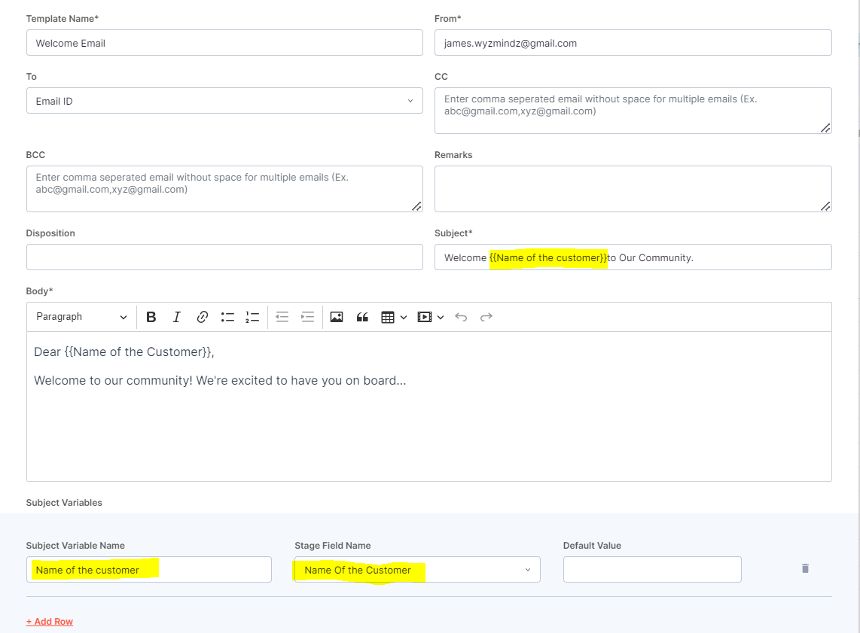
 |  | Validate Configuring Multiple Subject Variables. | User should be in Email Template Create Page | Create a email template with multiple Subject varibles and don't configure any varibles for Body. Click on Create and Validate the same in Call Log Tab View, stages profile. |  | The email Template should created with multiple Subject varibles. And all the configuration should reflect in Stages profile in Call log Tab View. | No Email varible is populated in call log tab, stages profile.Creating email template with multiple Subject Varibles, and also clicking on send and validating the interaction in Email sent list, no entries are found. | Fail | Email Doubt
 |  | Validate Configuring Multiple Body Variables. | User should be in Email Template Create Page | Create a email template with multiple Body varibles and don't configure any varibles for Body. Click on Create and Validate the same in Call Log Tab View, stages profile. |  | The email Template should be created with multiple Body varibles. And all the configuration should reflect in Stages profile in Call log Tab View. | No Data is reflecting in Call log tab view, stage profile. | Fail
 |  | Validate Configuring Body and Subject varibles with Default values | User should be in Email Template Create Page | Select the process, sub process, sub sub process,Stage. Fill in the Template Name. From Email. Select To Email from the dropdown. Enter CC&BCC Mail id if needed. Fill in the Subject of the Mail and Add some Variables within {{}}. Fill in the Body and add Variables within {{}}. In Subject Variable section and Body variable, add the variable and don't select any options from the stages dropdown, give only the Default value. And Validate the same in call log tab view. |  | The email Template should be created Default values. And all the configuration should reflect in Stages profile in Call log Tab View. | The Default values are not populating in call log stage view. | Fail
 |  | Validate configuring multiple Default Values | User should be in Email Template Create Page. Fill in all the Mandatory fields like, Tempalte, name,To Email, | Add two or more Subject Variables, in Subject Input field within {{}}. Add two or more Body Variable in Body Input field within {{}}. Configure those two subject and Body variables with default variables in Subject and Body configuration sections. Save the template and vaidate it's data reflection in Call Log Tab View stage profile. |  | The email Template should be created Default values. And all the configuration should reflect in Stages profile in Call log Tab View. | The Default values are not populating in call log stage view. | Fail
 |  | Validate Deleting all the subject and Template configuration rows and adding it again | User should be in Email Template Create Page. | Scroll down to Subject and Template configuration. Delete all the rows by Clicking on Delete Button. Once all the rows deleted click on add row. |  | All the rows should be deleted clicking in delete icon. Clicking in Add row, new row should be added again. | All the rows got deleted, but clicking in add row, the system failed to add new rows. | Fail
 |  | Validate Adding Table Within the Email body | User should be in Email Template Create Page. Fill in all the Mandatory fields like, Process,sub process,sub sub process,stages, Tempalte, name,To Email, Subject. | Scroll down to body add some message and click on table icon from tool bar, fill some details in the table. And Click on create Button. Validate is this data are reflecting in Call log Tab view in Stage profile. |  | Table should be Added in the Body Section, saving the template, all the data configured should be reflecting in stage profile call log tab view. | Table got inserted in while creating the template in Body Section. And also all the data were populated in stages profile too. | Pass
 |  | Validate Bold, Italic and Bulleted feature for the Body message. | User should be in Email Template Create Page. Fill in all the Mandatory fields like, Process,sub process,sub sub process,stages, Tempalte, name,To Email, Subject. | Enter some Messages in the body section. Select the message and Click on Bold,Italic and Bulleted from the tool bar. Click on Create. Navigate to call log tab view, and validate whether the message is Bold,Ltalic,Bulleted. |  | The message should be Bold,Italic and Bulleted in Email Template Create page as well as in Stage profile.
 |  | Validate Adding Links In the Message | User should be in Email Template Create Page. Fill in all the Mandatory fields like, Process,sub process,sub sub process,stages, Tempalte, name,To Email, Subject. | Enter some Messages in the body section. Select the message and Click on Link icon from the tool bar. Click on Create. Navigate to call log tab view, and validate whether the message is Bold,Ltalic,Bulleted. |  | The message should be link format in Email Template Create page, as well as in Stage profile. | After 10 records, no email templates are displayed in Email Templates dropdown in stage profiles | Fail | Pending
 |  | Validate Adding Images In the Message Section | User should be in Email Template Create Page. Fill in all the Mandatory fields like, Process,sub process,sub sub process,stages, Tempalte, name,To Email, Subject. | Enter some message click on image icon from the tool bar. Add an image and click on save button. Navigate to Call Log Tab View, and validate whether the image is reflecting in email template. |  | The Image attached should be visible in Email Template Create page, as well as in Stage profile. | The Image is not Attached in Email Template create page as well as in Stage Profile too. | Fail
 |  | Validate Adding Video in the message section | User should be in Email Template Create Page. Fill in all the Mandatory fields like, Process,sub process,sub sub process,stages, Tempalte, name,To Email, Subject. | Enter some message click on Video icon from the tool bar. Enter valid video Url. Add a video and click on Create button. Navigate to Call Log Tab View, and validate whether the image is reflecting in email template. |  | The Video Should be Attached in Email Template creation page as well as in Stage profile call log tab view. | Video is seen in Email Template Creation Page and html code for embedding the code is seen in stages profile email template | Pass
 |  | Validate Undo and redo options from the tool bar. | User should be in Email Template Create Page. Fill in all the Mandatory fields like, Process,sub process,sub sub process,stages, Tempalte, name,To Email, Subject. | Enter some message in the body section. Click on Undo and redo icons from the tool bar and validate its response. |  | Clicking on undo and redo it should function accordingly | Clicking on undo and redo it functioned accordingly | Pass
 |  | Validate Cancel Function | User should be in Email Template Create Page. Fill in all the Mandatory fields like, Process,sub process,sub sub process,stages, Tempalte, name,To Email, Subject. | Enter some message and click on cancel button |  | Clicking on Cancel button the system should not create an Email Template | Clicking on Cancel button the system did not create an Email Template | Pass
 | Table | Validate Searching a Record | User Should be in Email template Table page. | Enter a valid Existing Record name in the search box and click on search button. |  | The system should return the records exactly matching the keyword in the first row. | The System Failed to return any records | Fail
 |  | Validate Searching a non existing Record | User Should be in Email template Table page. | Enter a Non Existing Record name in the search box and click on search button. |  | The System shouldn't return any records, it should give "No Entries Found" | The System didn't return any records, it gave "No Entries Found" | Pass
 |  | Validate Searching only with Dropdowns | User Should be in Email template Table page. | Leave the Search Box empty and Select the process,sub process,sub sub process,stages. And Click on Search Icon.<Refer Test Data> | Process:AJP Sub Process:Sub AJP Sub Sub Process:Sub Sub AJP Stages:AJP Stage | The System Should return only the record created with selected filters. It should not return any other records. | The System returned 2 page of records created with the selected filter, click on the 2nd page, the filters and records was reset to default and return all the records. The defect is implies, searching with single process dropdown too. | Fail
 |  | Validate Searching a record with search input and with filters | User Should be in Email template Table page. | Enter a valid Existing Record name in the search box. And select the valid process,sub process,sub sub process,stages dropdwon for the record. And click on search | Record Name:Default Value Process:AJP Sub Process:Sub AJP Sub Sub Process:Sub Sub AJP Stages:AJP Stage | The System should return the record and not other records should be listed. | The System is returning "No Entries found" | Fail
 |  | Validate "Clear all filter" functionality. | User Should be in Email template Table page. Already there should be a filter happened | Click on clear all filter button. |  | Clicking on clear all filter the system should return to its default state returning all the records. | Clicking on clear all filter the system returned to its default state returning all the records. | Pass

 |  | Validate the records position in the Table | User Should be in Email template Table page. | Create a Record with all the mandatory fields and validate the records position in the Table |  | The newly created record should be visible at the top of the table immediately after creation. All details entered during record creation should be accurately displayed in the record details view | The newly created record is positioned, at last of the record table. | Fail
 |  | Validate Delete functionality | User Should be in Email template Table page. | Select any Record and click on delete button. Click on Yes on the confirmation popup |  | Clicking od delete button it should open a confirmation popup, clicking on yes the record should be deleted. | Clicking on delete button the system opened a confirmation popup, clicking on yes the record was deleted. | Pass
 | Pagination | Verify the number of records represented in a page | User Should be in Email template Table page. | Navigate to Email Template table page through Alchemy. Capture the entries |  | Should be able to navigate to Email Table page. It should display 10 datas in a page | Was able to navigate to Email Template page | Pass
 |  | Validate the pagination buttons next and previous button | User Should be in Email template Table page. | Navigate to Email Template table page through Alchemy. Click on next button till the last past. Click on previous button till the first page. |  | Should be able to navigate to Email Table page. Should be able to click on next button and at last page the next button should be disabled. Should be able to click on previous button and at first page the previous button should be disabled | Was able to navigate to Email Template page. Next button was enabled and at last page it was disabled. Previous button was enabled and at first page it was disabled | Pass
 |  | Validate whether the pagination maintaining the consistent state | User Should be in Email template Table page. | Navigate to Email Template table page through Alchemy. Navigate away from the first page and do some action on the stages record and return back to table. Verify whether the Table is maintaing on the same page where left before. |  | Should be able to navigate to Email Table page. The page should remain on the same page, it should not be redirectd to a different page | Was able to navigate to Email Template page. Everytime the page redirects to the first page after an operation returning back within the page | Fail
 |  | Validate Page Size Dropdown. | User Should be in Email template Table page. | Select the page size in the dropdown and validate the count in the page |  | The record should be listed as per the size selection in the dropdown. | The system listed the records as per the size selection in the dropdown. | Pass

